Sheet1
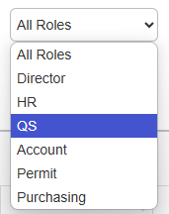
No. | Role | Taskbar view | Role’s description
1 | Site Admin |  | Site Admin only can manage the information of their site/projects only 1. Create worker/staff 2. Create RF/DN/CN -
2 | HR Admin |  | 1. Create worker/staff
3 | Account |  | 1. ApprovalDN/CN
4 | QS |  | 1. Create DN/CN
5 | Permit
6 | Purchasing |  | 1. Approval DN/CN
7 | Director |  | 1. Approval DN/CN

Worker Shifting
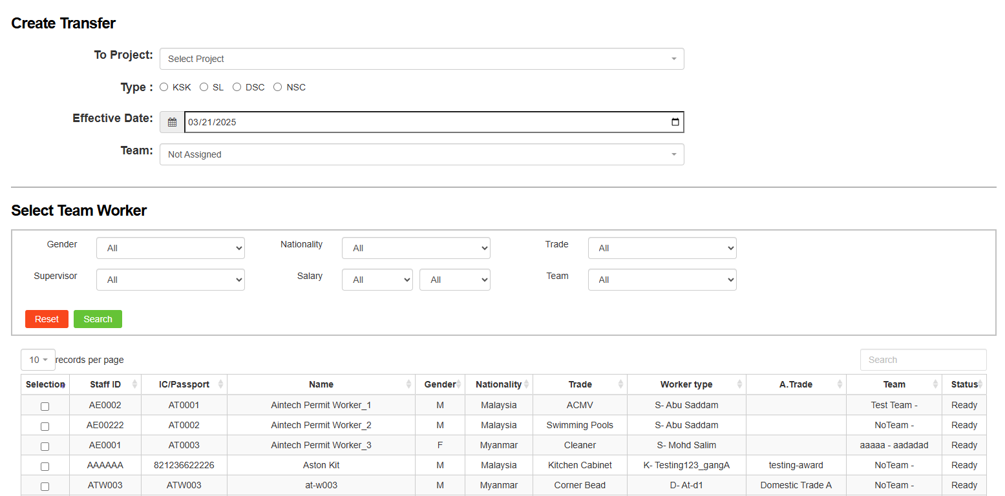
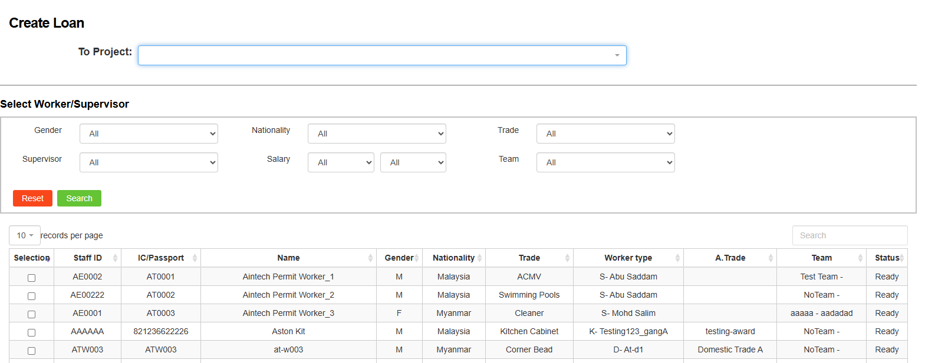
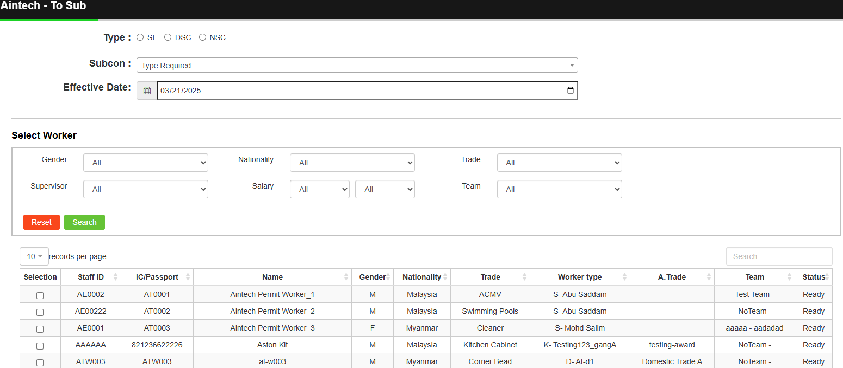
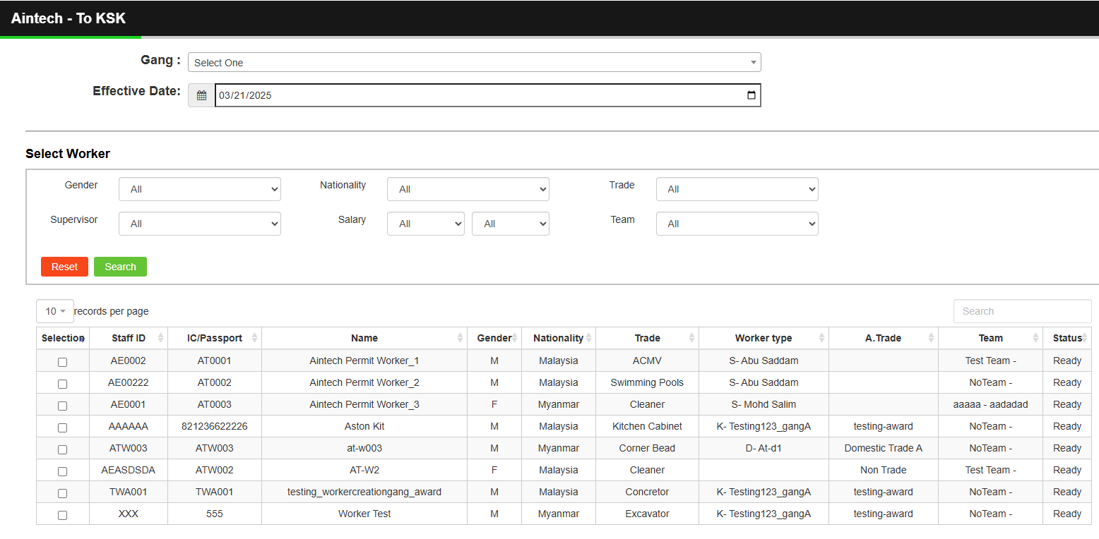
No | Index | Field Type | Index Type | Required | Remarks | Example
Transfer
1 | To Project | User Input | Listing | Yes | Select from list | Aintech
2 | Worker Type | User Input | Listing | Yes | select from list | KSL, SL, DSC, NSC
3 | Effective Date | User Input | Date | Yes | Data selected from current date | 2025-11-01
4 | Team | User Input | Listing | Yes | Team Listing based on project | Machine - Ahmad Zulkifli bin Azam
Loan
1 | To Project | User Input |  | Yes | select from list | Aintech
To Subcon
1 | To Worker Type | User Input |  | Yes | select from list | SL, DSC, NSC
2 | Subcon | User Input |  | Yes | select from list *Subcon listing will be bease on to Worker Type. | Ahmad-Floor Grind (Ahmad Salam/P09284)
3 | Effective Date | User Input |  | Yes | Data selected from current date | 2025-03-06
To KSK
1 | Group(Gang) | User Input |  | Yes | select from list | KSK-Safety
2 | Effective Date | User Input |  | Yes | Data selected from current date | 2025-03-06

